Site characteristics
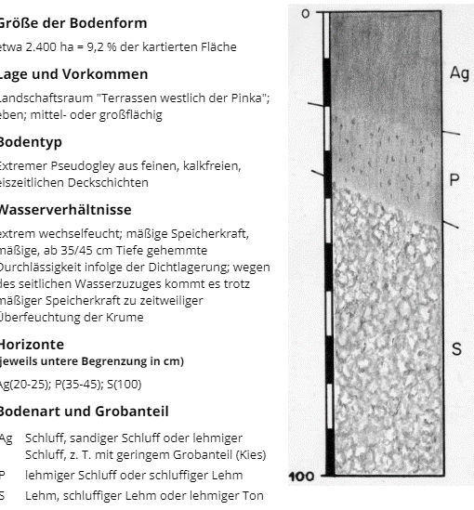
At first we want to ask you for the site characteristics of your region. If you have information for more then one region or for different sites within your region e.g. different soil types, we kindly ask you to copy the whole excel file and fill in the information for each site or region, using one excel file per site or region.

* You find an overview on the codes on following website:
https://eur-lex.europa.eu/eli/reg/2016/2066/oj
Region | Please indicate the name of the region (e.g. Brandenburg) and the code according to the specification of the territorial statistical units of the second level (NUTS 2*) (e.g. DE40 ). | Burgenland (AT11); Südburgenland (AT113)

Site | Please indicate the local name of the site within the region e.g. name of the soil type, class… | Pseudogley

Soil type | Please describe the typical soil type of your region (e.g. sandy loam). | loamy silt (lehmiger Schluff)

Field size | Please indicate the average field size [ha]. | 0,6ha (test sites of agricultural school)

Year | Please indicate the years of cultivation (e.g. 2015-2018). | 2016-2018

If you do not have the following information we will help you and might use default values.
Only for Germany: Average german soil rating index
 | Please indicate the average AZ (e.g. 49)

Organic carbon content of the top soil | Please indicate the average C_org [% C in DM] (e.g. 0,9%) | 2,5% Hummus content

C to N ratio of SOM | Please indicate the carbon to nitrogen ratio of the soil organic matter (e.g. 11).

Bulk densitiy of top soil | Please indicate the bulk density of the top soil [g/cm³] (e.g. 1,5g/cm3).

Topsoil | Please indicate the depth of the top soil layer [cm] (e.g. 30 cm). | 70cm+

Annual mineralisation rate | Please indicate the annual mineralisation rate [%] (e.g. 1,7%).

Water holding capacity in the root zone | Please indicate the water holding capacity in the root zone [mm] (e.g. 400mm). | 200 mm usable field capacity

Annual precipitation (mm) | Please indicate the annual precipitation [mm] (e.g. 510mm). | 700 mm

Precipitation in the winter half (mm) | Please indicate the precipitation in the winter half, from October to March [mm] (e.g.220mm). | 250 mm

source for soil information | https://bodenkarte.at/
 | For detailed information on typical soil groups, look for
 | Stremtalstraße 19, 7540 Gemeinde Güssing, Burgenland

 | typical soil profile

Data for yield stability
In order to calculate yield stability, we need data on yields of the crops you indicated earlier in the crop rotations for at least ten years in a row. It is necessary that the data for all crops are from one site. An example with winter rye is provided in the first column.

Crop [name of crop]: winter wheat |  |  |  | Crop [name of crop]: maize |  |  |  | Crop [name of crop]: soyabean
Number of year | Year | Yield [t/ha] | Versuchsergebnisse | Number of year | Year | Yield [t/ha] |  | Number of year | Year | Yield [t/ha]
1 | 2016 | 8.16 | https://www.lfsguessing.at/fileadmin/user_upload/user_upload/WWErnteeergebnisse_2016.pdf | 1 | 2015 | 9.44 |  | 1 | 2016 | 4.33 | https://www.lfsguessing.at/fileadmin/user_upload/Ernteergebnisse_Soja16.pdf
2 | 2017 | 6.22 | https://www.lfsguessing.at/fileadmin/user_upload/user_upload/WW_Ergebnisse_2017_klein.pdf | 2 | 2016 | 10.89 |  | 2 | 2017 | 2.34 | https://www.lfsguessing.at/fileadmin/user_upload/user_upload/Sojaernte2017.pdf
3 | 2018 | 7.55 | https://www.lfsguessing.at/fileadmin/user_upload/user_upload/WWHP.pdf | 3 | 2017 | 9.91 |  | 3 | 2018 | 3.46
4 | 2019 | 7.36 | https://www.lfsguessing.at/fileadmin/user_upload/WW_2019-HP.pdf | 4 | 2018 | 10.19 |  | 4 | 2019 | 4.00
 |  | basis: 14% moisture |  | 5 | 2019 | 10.18 |  |  |  | basis: 13% moisture
 |  |  |  |  |  | basis: 14% moisture
 |  |  |  |  |  |  |  |  |  | 21%
 |  | 10% |  |  |  | 5%

 |  |  | Coefficient of variation
 |  |  |  | Crop 1 | Crop 2 | Crop 3
 |  |  | Without legumes: | Maize | Maize | Winter wheat | 6%
 |  |  | With legumes: | Soybean | Winter wheat | Maize | 12%

 |  |  |  |  |  |  |  |  |  |  |  | Crop [name of crop]:
 |  |  |  |  |  |  |  |  |  |  |  | Number of year | Year | Yield [t/ha]
Crop [name of crop]: |  |  |  | Crop [name of crop]: |  |  |  | Crop [name of crop]: |  |  |  | 1 |  |  | Crop [name of crop]: |  |  | Crop [name of crop]:
Number of year | Year | Yield [t/ha] |  | Number of year | Year | Yield [t/ha] |  | Number of year | Year | Yield [t/ha] |  | 2 |  |  | Number of year | Year | Yield [t/ha] | Number of year | Year | Yield [t/ha]
1 |  |  |  | 1 |  |  |  | 1 |  |  |  | 3 |  |  | 1 |  |  | 1
2 |  |  |  | 2 |  |  |  | 2 |  |  |  | 4 |  |  | 2 |  |  | 2
3 |  |  |  | 3 |  |  |  | 3 |  |  |  | 5 |  |  | 3 |  |  | 3
4 |  |  |  | 4 |  |  |  | 4 |  |  |  | 6 |  |  | 4 |  |  | 4
5 |  |  |  | 5 |  |  |  | 5 |  |  |  | 7 |  |  | 5 |  |  | 5
6 |  |  |  | 6 |  |  |  | 6 |  |  |  | 8 |  |  | 6 |  |  | 6
7 |  |  |  | 7 |  |  |  | 7 |  |  |  | 9 |  |  | 7 |  |  | 7
8 |  |  |  | 8 |  |  |  | 8 |  |  |  | 10 |  |  | 8 |  |  | 8
9 |  |  |  | 9 |  |  |  | 9 |  |  |  |  |  |  | 9 |  |  | 9
10 |  |  |  | 10 |  |  |  | 10 |  |  |  |  |  |  | 10 |  |  | 10

